JRF
 |  |  |  |  |  | JRF No. TM-26-005
 | Office Warehouse, Inc. |  |  |  |  | JOB REQUEST FORM

Requested by |  | EDU FERNANDEZ |  |  |  | Date Requested
Branch/Department |  | Tomas Morato |  |  |  | 2026-07-13

Please check box(es) q for specific request
CARPENTRY - REPAIR/REPLACEMENT/CLEANING
q Repainting of Interior Wall |  |  | q Repair of Wall crack |  |  | q Replacement of Tiles/Flooring
q Repainting of Counter Booth |  |  | q Repair of Flooring (Tiles, Wood flooring) |  |  | q Replacement of Counterbooth
q Repainting of Storage Cabinet |  |  | q Repair of Glass Cabinet
q Repainting |  |  | q Repair of Interior Wall
q Ceiling problem |  |  | q Repair of Storage Cabinet
q Water leak |  |  | q Repair of Glass Door

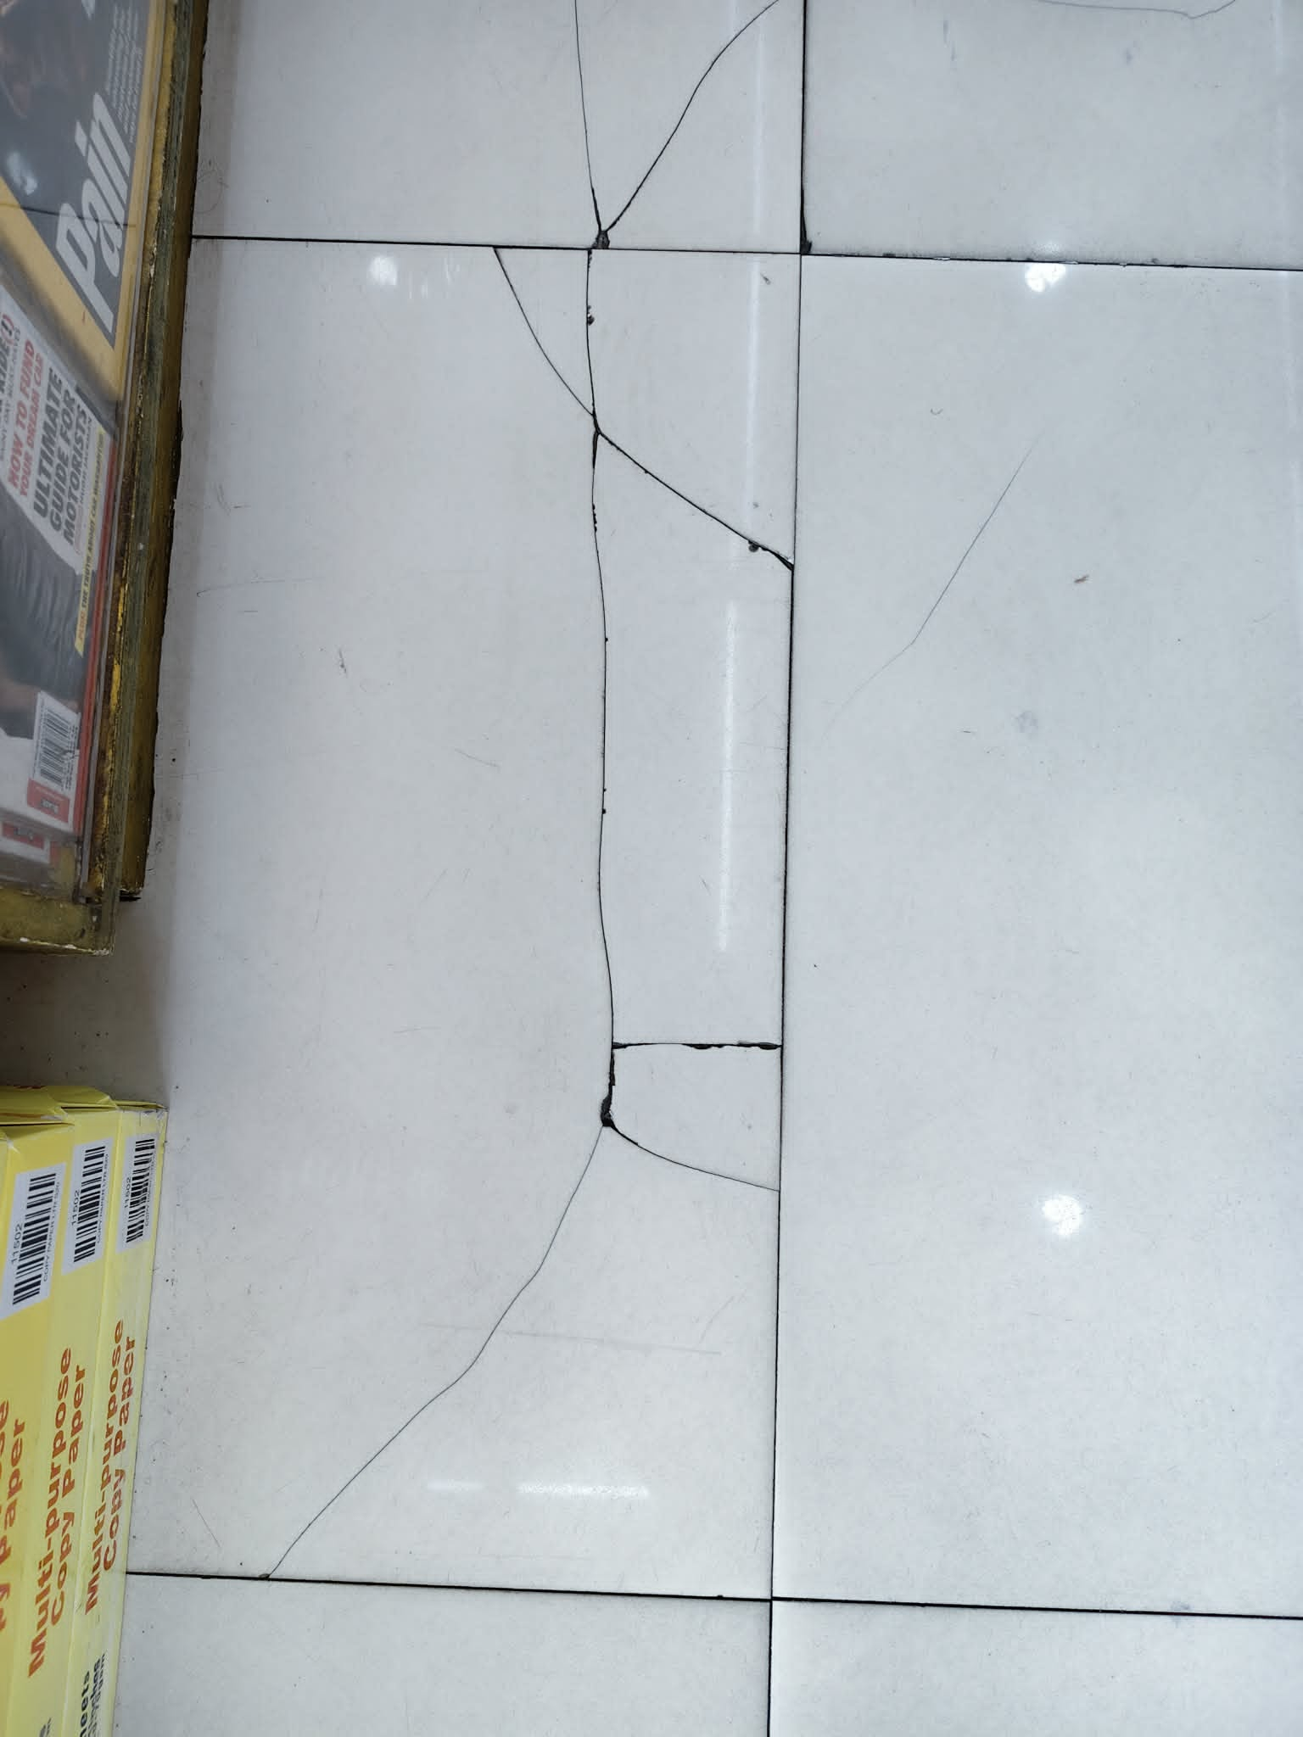
ELECTRICAL - REPAIR/REPLACEMENT/CLEANING
q Repair of Lighting Fixture |  |  | q Additional Lighting to be installed |  |  | q Replacement of Lighting Fixture
q Repair of Security Alarm |  |  | q Additional Wiring / Rewiring |  |  | q Replacement of Security Alarm
q Repair of Aircon |  |  | q Cleaning of Signage Lighting Fixture |  |  | q Replacement of Aircon
q Repair of signage |  |  | q Cleaning of Aircon |  |  | q Replacement busted Light
 |  |  |  |  |  | q Replacement Pylon Signage

Description / Particulars (additional information of request & reason)
REQUESTING FOR REPLACEMENT OF TILES
16 TILES

OTHER
q Mall Admin concern / request

VISUAL & PD section
Work Assigned To |  |  |  |  |  | Date of Work

Action Taken

Work completed by |  |  |  | Completion Date |  | Acknowledged by/Date: (Store)

Refer To |  |  |  |  | Date of Work

Prepared by/Date |  |  | Noted by/Date (Visual & PD Manager) |  |  | Approved by/Date

EDU FERNANDEZ |  |  |  |  |  | President

